Sheet1
Goal: design a shunt reference circuit
Jonathan Valvano, EE445L
Desired Vz | 1.5 | volts | 1) pick a desired reference voltage Vz (volts)
Vref | 1.233 | volts | LM4041 parameter
R1 | 47 | kohm | 2) choose a standard resistance value (kohm)
best R2 | 10.177615572 | kohm
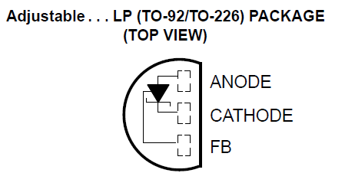
Pick R2 | 10 | kohm | 3) pick a standard value for R2 close to best R2
Actual Vref | 1.4953404255 | volts | Vz=Vref(1+R2/R1)
Vs | 3.3 | volts | V supply
Rin | 2 | kohm | 4) estimate input impedence on Vz (e.g., to DAC)
Iz | 0.08 | mA | LM4041 parameter
Iref | 0.026234042553 | mA | Vz/(R1+R2), Ohms Law, current through R1,R2
IL | 0.74767021277 | mA | Vz/Rin, Ohms Law, current through Rin
I total | 0.85390425532 | mA | Iz+Iref+IL
max Rs | 2.1134214559 | kohm | (Vs-Vz)/Itotal
 |  |  | 5) choose Rs less than max Rs

